Introduction
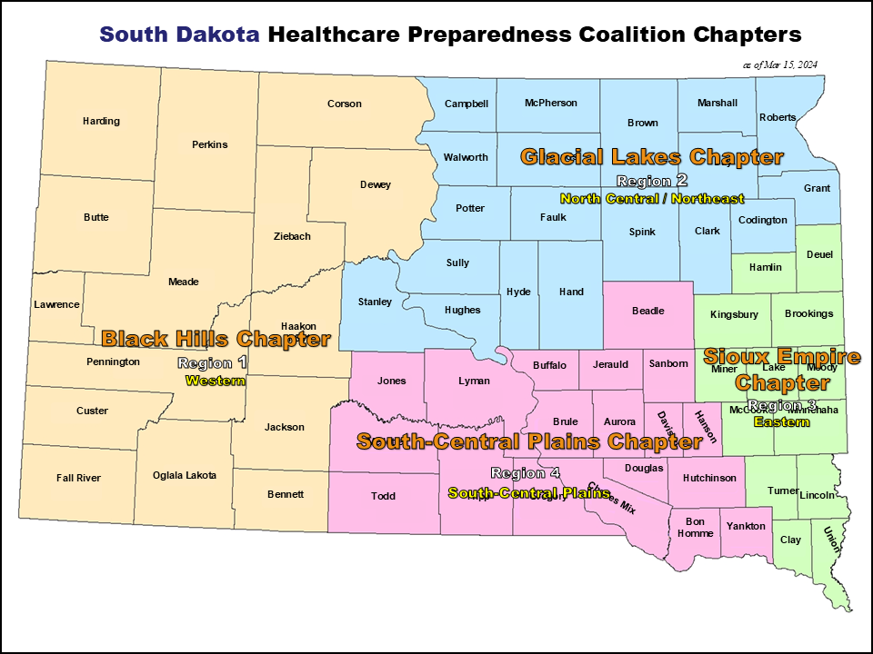
INTRODUCTIONS

The South Dakota Healthcare Preparedness Coalition is an organization under the South Dakota Department of Health.

The following Hazard Vulnerability Assessment (HVA) is designed to combine several traditional standalone assessments to better utilize your time and energy.

The overarching goal of this assessment is to develop a common operating picture of the current status of several crucial elements of the healthcare landscape in South Dakota. This assessment will help guide current and future funding that supports many aspects of the healthcare industry in the state.

Our goal is to collect the highest-quality information possible while being respectful of your time. If your organization has access to specific data that would allow for more precise responses, we encourage you to use it. However, we understand that not all respondents will have access to detailed data. In those cases, please answer the questions to the best of your ability. We anticipate this assessment will take no more than 20 minutes to complete.

You will see several worksheets; you only need to complete one for your organization. Please choose the worksheet that best represents your core function (Hospital, Long-Term Care (LTC), Specialty Care (Dialysis, Imaging Centers), EMS, Emergency Management, or Local Department of Health (LDH)).

The information provided will be aggregated at the HPC Chapter level (see the map to identify your chapter) and at the state level. No information will be provided that identifies your specific facility. Facility information is requested solely for validation and accountability purposes to confirm completion of the assessment.

Please take the time to complete this assessment. It is one of the few ways to identify the current capacities and capabilities of the South Dakota healthcare system. As fewer resources are available to address system gaps and shortfalls, it is critical that we identify and prioritize the true needs of the system. Only you can help us do that!

The questions that already have a "N/A" preloaded do not need completed.

South Dakota Healthcare Preparedness Coalition MAP

